purpose of Microsoft Purview
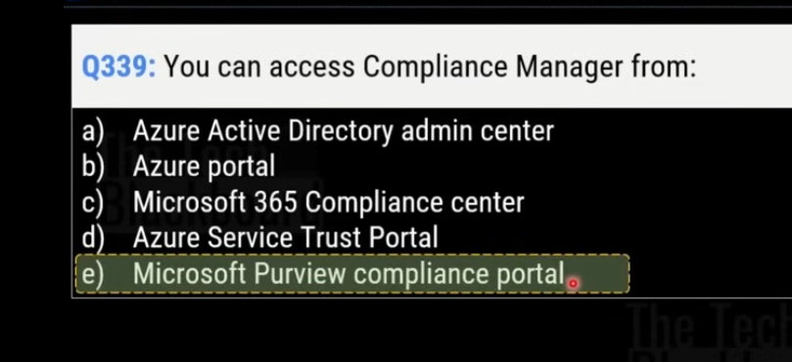
help your organization govern, protect, and manage data, wherever it lives

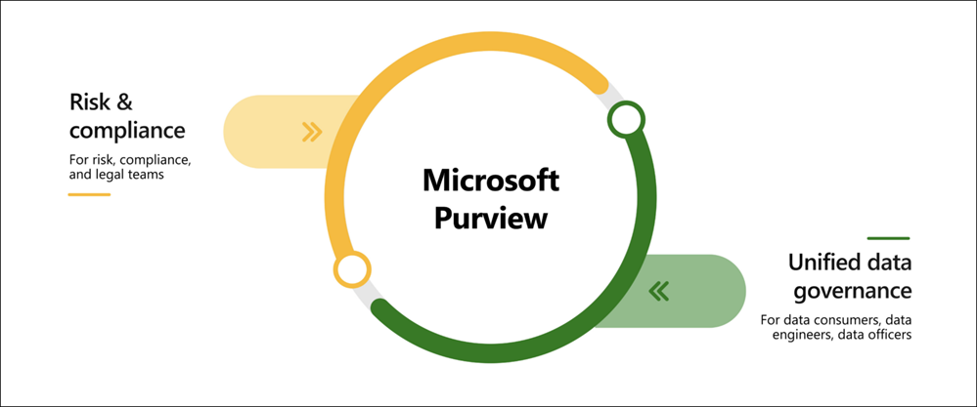

 | Microsoft Purview risk and compliance solutions
 |  | Microsoft 365 features as a core component of the Microsoft Purview risk and compliance solutions.
 |  | Microsoft Teams, OneDrive, and Exchange are just some of the Microsoft 365 services that Microsoft Purview uses to help manage and monitor your data
 |  | help your organization:
 |  |  | Protect sensitive data across clouds, apps, and devices.
 |  |  | Identify data risks and manage regulatory compliance requirements.
 |  |  | Get started with regulatory compliance.

 | Unified data governance
 |  | enable you to manage your data stored in Azure, SQL and Hive databases, locally, and even in other clouds like Amazon S3.

purpose of Azure Policy
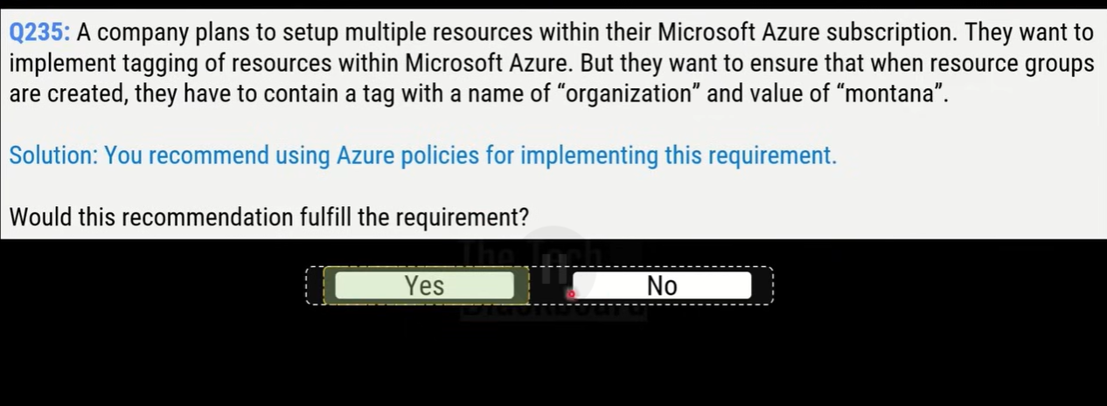
enables you to create, assign, and manage policies that control or audit your resources

How does Azure Policy define policies?
 | enables you to define both individual policies and groups of related policies, known as initiatives (groups of policies)
 | evaluates your resources and highlights resources that aren't compliant with the policies you've created
 | prevent noncompliant resources from being created.

 | enabling you to set policies on a specific resource, resource group, subscription, and so on
 | Azure Policies are inherited, so if you set a policy at a high level, it will automatically be applied to all of the groupings that fall within the parent.
 | For example, if you set an Azure Policy on a resource group, all resources created within that resource group will automatically receive the same policy.

 | For example
 |  | if you define a policy that allows only a certain size for the virtual machines (VMs) to be used in your environment, that policy is invoked when you create a new VM and whenever you resize existing VMs
 |  | Azure Policy also evaluates and monitors all current VMs in your environment, including VMs that were created before the policy was created.

 | For example
 |  | if all resources in a certain resource group should be tagged with AppName tag and a value of "SpecialOrders," Azure Policy will automatically apply that tag if it is missing
 |  | If you have a specific resource that you don’t want Azure Policy to automatically fix, you can flag that resource as an exception – and the policy won’t automatically fix that resource.

What are Azure Policy initiatives (groups of policies)?
 | grouping related policies together

purpose of resource locks
A resource lock prevents resources from being accidentally deleted or changed.
Resource locks can be applied to individual resources, resource groups, or even an entire subscription
Resource locks are inherited, meaning that if you place a resource lock on a resource group, all of the resources within the resource group will also have the resource lock applied.

A resource lock prevents resources from being accidentally deleted or changed.

Types of Resource Locks
 | Delete | users can still read and modify a resource, but they can't delete the resource.
 | ReadOnly | users can read a resource, but they can't delete or update the resource.

How do I manage resource locks?
 | You can manage resource locks from the Azure portal, PowerShell, the Azure CLI, or from an Azure Resource Manager template.
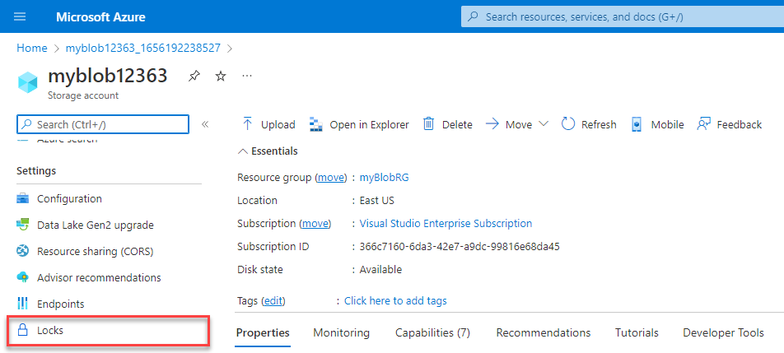

How do I delete or change a locked resource?
 | Although locking helps prevent accidental changes, you can still make changes by following a two-step process.

 | first remove the lock.
 | After you remove the lock, you can apply any action you have permissions to perform

Service Trust portal
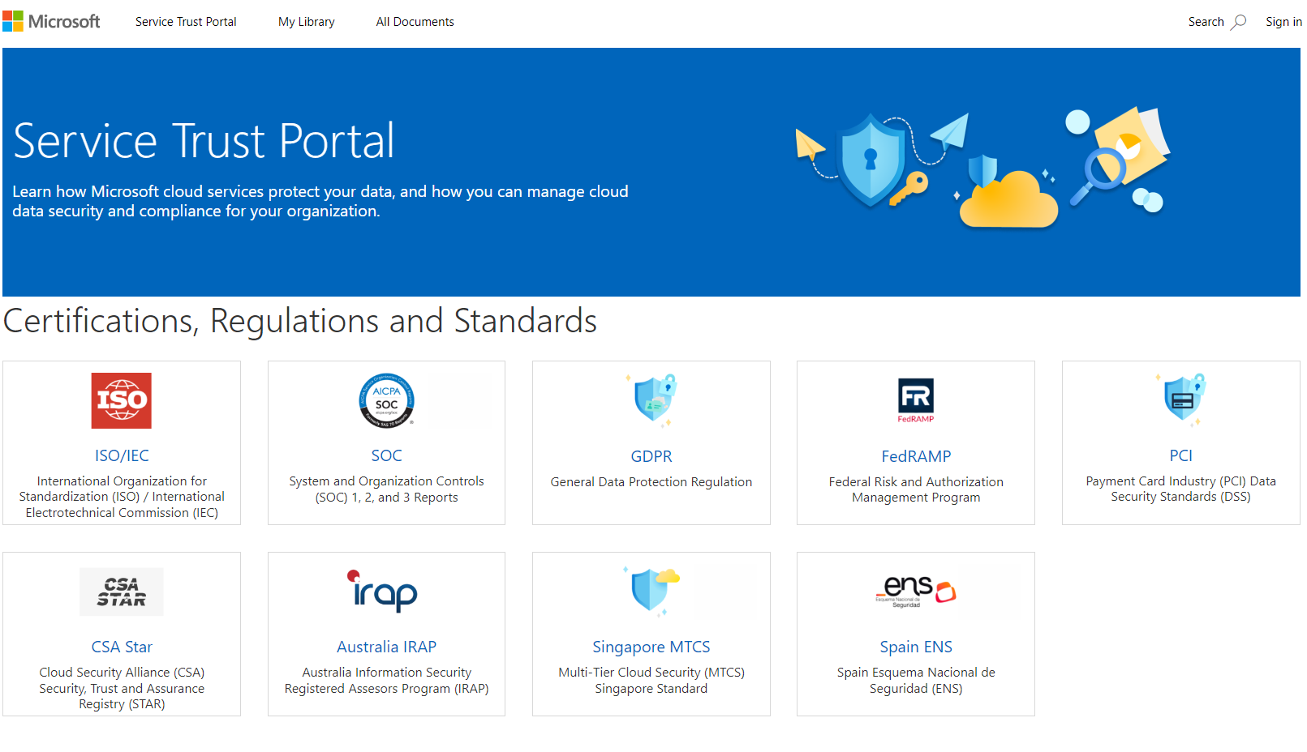
provides access to various content, tools, and other resources about Microsoft security, privacy, and compliance practices.
cung cấp các tài liệu và tài nguyên liên quan đến bảo mật, quyền riêng tư và tuân thủ (compliance) cho các dịch vụ đám mây của họ

Accessing the Service Trust Portal

Azure government
